Weather Condition
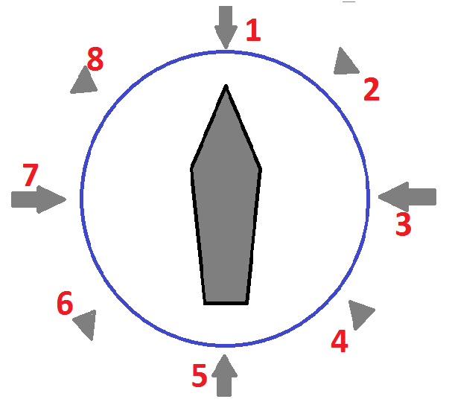
← Definition of Relative Direction (*) | WIND |  |  | CURRENT |  |  | WAVE caused by wind |  |  | SWELL |  |  | GWD
Date | Bft scale | Direction | Relative Dir (*) | Speed (kn) | Direction | Relative Dir (*) | Height (m) | Direction | Relative Dir (*) | Height (m) | Direction | Relative Dir (*) | Yes / No | Remarks
2015-07-03 |  |  |  |  |  |  |  |  |  |  |  |  |  | Departure Report
2015-07-04 | 4 | SSW | 4 | 0.7 | NE | 5 | 2 | SW | 4 | 0 | 0 | 0 |  | Swell Low
2015-07-05 | 4 | SSW | 4 | 1 | NE | 5 | 2 | SW | 4 | 0 | 0 | 0 |  | Swell Low
2015-07-06 | 5 | S | 5 | 0.5 | SW | 1 | 2 | WSW | 6 | 0 | 0 | 0 |  | Swell Low
2015-07-07 | 3 | ENE | 1 | 0.3 | SW | 1 | 1 | WSW | 6 | 0 | 0 | 0 |  | Swell Low
2015-07-08 | 5 | WNW | 6 | 0.5 | SW | 1 | 2 | WNW | 7 | 0 | 0 | 0 |  | Swell Low
2015-07-09 | 4 | SSE | 2 | 0 |  |  | 1 | SSE | 2 | 1 | S | 3 | Yes
2015-07-09 | 5 | SW | 4 | 0.2 | W | 1 | 2 | SW | 4 | 2 | S | 3 |  | Passing IDL
2015-07-10 | 5 | SW | 4 | 0.3 | W | 1 | 2 | SW | 4 | 2 | W | 5
2015-07-11 | 5 | WSW | 4 | 0.6 | W | 1 | 2 | WSW | 4 | 2 | W | 5
2015-07-12 | 4 | WSW | 4 | 0 | 0 | 0 | 1 | WSW | 4 | 1 | W | 5 | Yes
2015-07-13 | 5 | WSW | 4 | 0 | 0 | 0 | 2 | WSW | 4 | 2 | W | 5
2015-07-14 | 4 | W | 4 | 0 | 0 | 0 | 1 | W | 4 | 1 | WNW | 5 | Yes
2015-07-15 | 5 | NNE | 7 | 0.5 | W | 1 | 2 | NNE | 7 | 1 | W | 5
2015-07-16 | 4 | NNE | 7 | 0 | 0 | 0 | 2 | NNE | 7 | 0 | 0 | 0 |  | Swell Low

